Sheet1
For each increasing interval
[6, 7] [5] [2, 4, 5, 9] [3]
Break point: last element of interval
Break point always contains the largest area
E.g.:
Col B:
8 [6, 7, 5, 2]
10 [6, 7, 5, 2, 4]
12 [6, 7, 5, 2, 4, 5]
14 [6, 7, 5, 2, 4, 5, 9]
Colored Cells: the cells needed to be considered
Gray Areas:
1. Eliminated since next line contains larger areas
2. Eliminated since the left most cell contains the largest area
 | 6 | 7 | 5 | 2 | 4 | 5 | 9 | 3
6 | 6
7 | 12 | 7 |  |  |  |  |  |  | Break Point of Increasing
5 | 15 | 10 | 5 |  |  |  |  |  | Break Point of Increasing
2 | 8 | 6 | 4 | 2
4 | 10 | 8 | 6 | 4 | 4
5 | 12 | 10 | 8 | 6 | 8 | 5
9 | 14 | 12 | 10 | 8 | 12 | 10 | 9 |  | Break Point of Increasing
3 | 16 | 14 | 12 | 10 | 12 | 9 | 6 | 3 | Break Point of Increasing | End

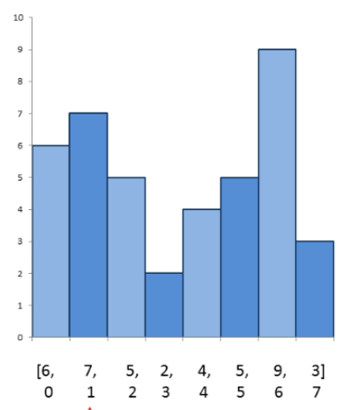
Process:
1. Push monotonically increasing elements to stack
(Stack monotonically increases in this process)
2. When reaches the an element A smaller than the stack top, pop all elements larger or equal to A
(the remaining elements are the smallest elements in processed side)
(the remaining elements are smaller than A, since all other elements in stack are eliminated in this step. Hence the stack is still monotonically increasing)

How to find largest areas?
1. Find Break Points
2. From Break Points, we push left one cell at a time, calculate the area
Some times, we do not need to push to left most, for instance, from 9, we push to 4, then, the remaining 2 is left to 3

 |  |  |  |  |  |  |  |  |  |  | 6 | 7 | 5 | 2 | 4 | 5 | 9 | 3

 |  |  |  |  |  |  |  |  |  |  |  | Cell | Area
 |  |  |  |  |  |  |  |  |  |  |  | C3 | 7

 |  |  |  |  |  |  |  |  |  |  |  | B3 | 12

 |  |  |  |  |  |  |  |  |  |  |  | D4 | 5

 |  |  |  |  |  |  |  |  |  |  |  | C4 | 10

 |  |  |  |  |  |  |  |  |  |  |  | B4 | 15

